Sheet1
ID | True_Age | Predicted_Age
sample_91 | 13 | 22 | 9
sample_73 | 18 | 32 | 14
sample_132 | 19 | 20 | 1
sample_167 | 20 | 20 | 0
sample_85 | 21 | 31 | 10
sample_164 | 22 | 23 | 1
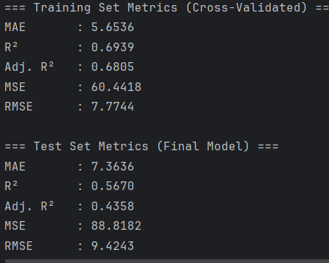
sample_210 | 23 | 21 | 2
sample_258 | 24 | 20 | 4
sample_67 | 25 | 27 | 2
sample_147 | 26 | 13 | 13
sample_261 | 27 | 20 | 7
sample_273 | 28 | 38 | 10
sample_3 | 29 | 29 | 0 | 5.6153846154
sample_191 | 31 | 34 | 3
sample_7 | 32 | 22 | 10
sample_277 | 33 | 29 | 4
sample_270 | 34 | 31 | 3
sample_98 | 35 | 51 | 16
sample_220 | 36 | 33 | 3
sample_113 | 37 | 27 | 10
sample_283 | 38 | 28 | 10
sample_13 | 39 | 28 | 11
sample_15 | 41 | 60 | 19
sample_278 | 42 | 47 | 5
sample_276 | 44 | 23 | 21
sample_204 | 45 | 29 | 16
sample_24 | 46 | 46 | 0
sample_269 | 47 | 22 | 25
sample_102 | 48 | 54 | 6
sample_282 | 49 | 49 | 0
sample_236 | 50 | 54 | 4
sample_153 | 51 | 54 | 3
sample_248 | 52 | 48 | 4
sample_244 | 53 | 45 | 8
sample_193 | 54 | 54 | 0
sample_247 | 55 | 48 | 7
sample_201 | 56 | 50 | 6
sample_250 | 57 | 45 | 12
sample_37 | 58 | 54 | 4
sample_239 | 59 | 52 | 7
sample_268 | 60 | 56 | 4 | 7.8928571429
sample_94 | 61 | 49 | 12
sample_54 | 65 | 57 | 8
sample_41 | 66 | 56 | 10 | 10

